MU-ZXA18
SMC |  |  | Tracking Number (Same as Simple Special part No.)
 |  | Simple special request specification to change rod end shape ( XA6)
 |  | [ Series MU-Z ]

□Fill in |  |  |  |  |  | Issue date: |  |  |  | (MM/DD/YY)
Customer |  |  |  | Division |  | Customer Person in charge
TEL. |  |  |  | FAX |  |  | Repeatability
Customer Reference No. |  |  |  | SMC Person in charge |  |  | SMC Branch code
Closest SMC part No.

□Part No. ( Please order the cylinder with this part No. )
Simple special part No. |  |  |  |  |  |  |  |  | Filled in by SMC

Applicable model (Part no. heading) | Note
 | 1)Unspecified dimensions, tolerance and finish are the same as the standard product of determined by SMC.
 | 2)Refer to Table 1 for the standard dimensions of part with *. It cannot be changed.
MUZ | 3)Refer to Table 1 for the standard dimensions of H (female thread).
 | When the dimension H is changed, follow the manufacturing condition for H in Table 1.
 | Please include the thread pitch, which defaults to JIS B 0205-2/ISO 261, unless otherwise requested.

 |  | Table 1. øM standard dimension and manufacturing conditions
 |  | Product model | Rod diameter |  | * mark standard dimension | H standard dimension |  | H manufacturing condition
 |  | MU25 | φ12 |  | φ10 | M6X1 |  | M8 or less
 |  | MU32 | φ14 |  | φ12 | M8X1.25 |  | M10 or less
 |  | MU40 | φ16 |  | φ14 | M8X1.25 |  | M10 or less
 |  | MU50 | φ20 |  | φ18 | M10X1.5 |  | M12 or less
 |  | MU63 | φ20 |  | φ18 | M10X1.5 |  | M12 or less

□Pattern and specified dimensions

XA6 |  | Note: Enter an asterisk (*) where you would like to keep the standard dimension.
C1+2P(pitch)
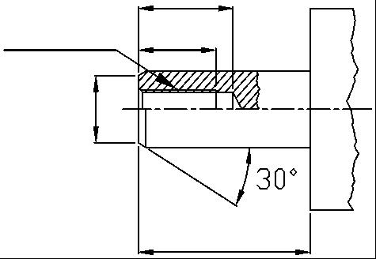
H
C1

＊

L

 |  |  | "L" is the length between the end of rod and the end of tube.

 |  |  |  | Filled in by SMC Japan

Image registration No.

