MGP-XA6
SMC |  | Tracking Number (Same as Simple Special part No.)
 | Simple special request specification to change guide rod end shape (XA6)
 | [Series MGP*-Z / MGP*-AZ / MLGP*-Z]

□Fill in |  |  |  |  |  |  | Issue date: |  |  | (MM/DD/YY)
Customer |  |  |  | Division |  |  | Customer Person in charge
TEL. |  |  |  | FAX |  |  |  | Repeatability
Customer Reference No. |  |  |  | SMC Person in charge |  |  |  | SMC Branch code
Closest SMC part No.

□Part No. ( Please order the cylinder with this part No. )
Simple special part No. |  |  |  |  |  |  |  |  | Filled in by SMC

This simple special specification form is for changing the guide rod end shape of Compact Guide Cylinders (MGP*-Z/MGP*-AZ/MLGP*-Z series).

Applicable models | Part no. heading | Notes
MGPM-Z | MGPZ | 1) This format is only applicable to standard products (basic type , air cushion type, with lock type).
MGPL-Z |  | 2) Guide rod material will be the same as that of standard products.
MGPA-Z |  | 3) SMC will make appropriate arrangements if no dimension, tolerance, or finish instructions are
MGPM-AZ | MGPAZ | given in the diagram.
MGPL-AZ |  | 4) Chamfering of the guide rod: C0.5. When dimension E=*, C cannot be specified.
MGPA-AZ |  | If you change the angle for chamfering, please place a request for special.
MLGPM-AZ | MLGPZ | 5) Ensure that the cylinder's overall length does not exceed the allowable overall length.
MLGPL-AZ |  | If it is necessary to exceed the allowable overall length, it will be available as a special.
 |  | 6) Dimension E cannot be shorter than the standard dimension. Please refer to the catalog for details.
 |  | When the catalog dimension E=0 is set as "*", the end surface of dimension E and body end surface
 |  | are leveled.
 |  | 7) Please include the thread pitch, which defaults to JIS B 0205-2/ISO 261, unless otherwise requested.

Overall length of cylinder
E
Figure 1
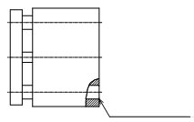
 |  |  |  |  |  | (mm)
 |  |  | Bore size (mm) |  | Allowable overall length of cylinder

End surface
 |  |  | 12, 16 |  | 345
 |  |  | 20, 25, 32 |  | 540
 |  |  | 40, 50, 63 |  | 561
 |  |  | 80, 100 |  | 603
Figure 2
When the dimension E=0 is *

□ Pattern and specified dimension

XA6 | Note: Enter an asterisk (*) where you would like to keep the standard dimension.
AL + 2P (Pitch)
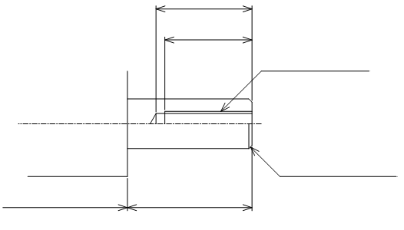
AL

MM
Notes 7)

C
＊
10.0
10.0
10.0
E
(Standard body dimensions)

Note) This product is not listed in and does not fall under rows 1 to 15 of the appended table 1 of the Export Trade Control Order but falls under row 16.
 |  |  |  | Filled in by SMC Japan |  |  |  |  |  |  | Serial No.MGP-(A)Z-XA6

Image registration No.

