CUJ(φ12toφ20）-XA17
SMC |  |  |  | Tracking Number (Same as Simple Special part No.)
 | Simple special request specification to change rod end shape ( XA17 )
 | [ Series CUJ ( Ø12 to Ø20 ) ]

□Fill in |  |  |  |  |  | Issue date: |  |  | (MM/DD/YY)
Customer |  |  |  |  | Division | Customer Person in charge
TEL. |  |  |  |  | FAX |  | Repeatability
Customer Reference No. |  |  |  |  | SMC Person in charge |  | SMC Branch code
Closest SMC part No.

□Part No. ( Please order the cylinder with this part No. )
Simple special part No. |  |  |  |  |  |  |  | Filled in by SMC

Applicable model (Part no. heading) |  | Note
CUJ (Φ12 to Φ20) |  | 1) Same as standard products or SMC will make appropriate arrangements if no dimension, tolerance, or finish instructions are given in the diagram.

 |  |  | Rod diameter |  | Conditions of Manufacture
 |  |  | φ12 |  | H1: M5 or more X : 20 mm or less
 |  |  | φ16 |  | H1: M6 or more X : 22.5 mm or less
 |  |  | φ20 |  | H1: M8 or more X : 26.5 mm or less

□Pattern and specified dimensions

XA17 | Note: Enter an asterisk (*) where you would like to keep the standard dimension.

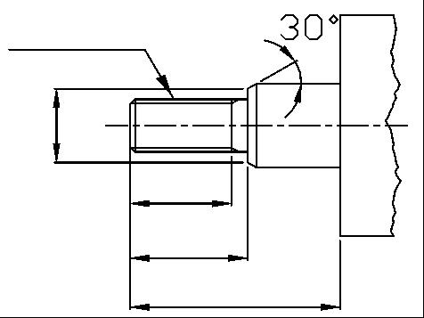
Ｈ1

＊

X-2P(Stroke)

X

L1

 |  |  |  | "L" is the length between the end of rod and the end of tube.

Note) This product is not listed in and does not fall under rows 1 to 15 of the appended table 1 of the Export Trade Control Order but falls under row 16.
 |  |  |  |  | Filled in by SMC Japan

Image registration No.

